SQL Queries
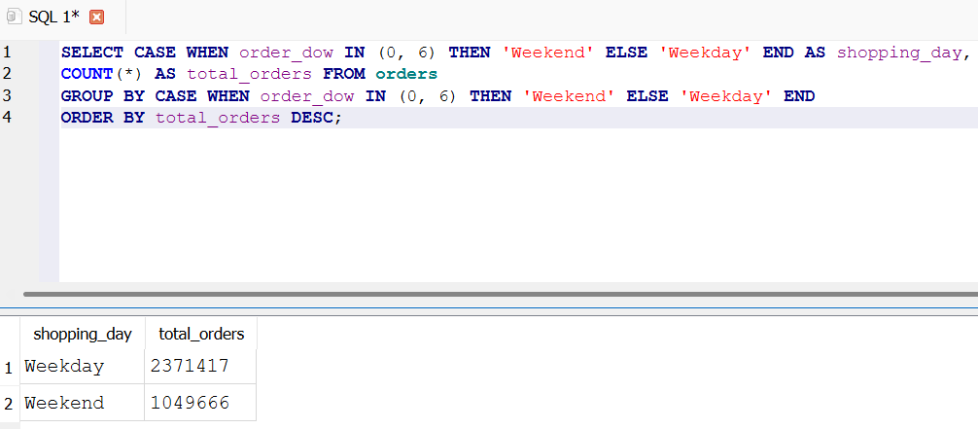
Total Number Of Customers
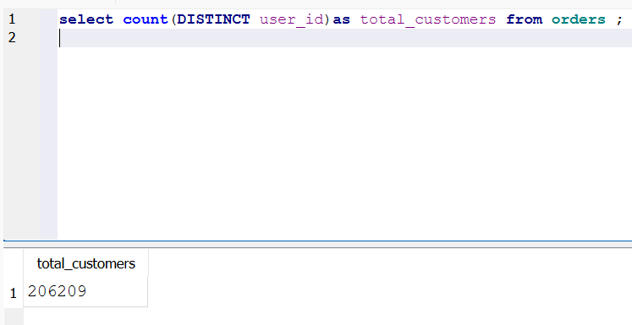

Total Number Of Orders
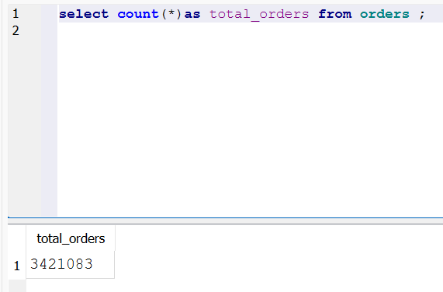

Total Number Of unique products ordered


Order by day of the week
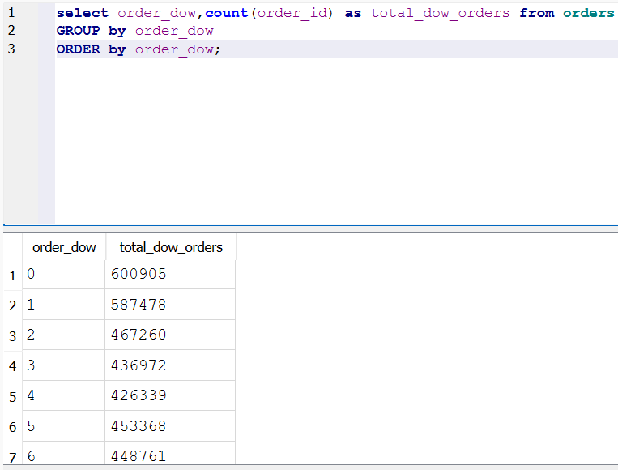

Order by hour of the day |  |  |  | order_hour_of_day | total_hod_orders
 |  |  |  | 0 | 22758
select order_hour_of_day,count(order_id) as total_hod_orders from orders |  |  |  | 1 | 12398
GROUP by order_hour_of_day |  |  |  | 2 | 7539
ORDER by order_hour_of_day; |  |  |  | 3 | 5474
 |  |  |  | 4 | 5527
 |  |  |  | 5 | 9569
 |  |  |  | 6 | 30529
 |  |  |  | 7 | 91868
 |  |  |  | 8 | 178201
 |  |  |  | 9 | 257812
 |  |  |  | 10 | 288418
 |  |  |  | 11 | 284728
 |  |  |  | 12 | 272841
 |  |  |  | 13 | 277999
 |  |  |  | 14 | 283042
 |  |  |  | 15 | 283639
 |  |  |  | 16 | 272553
 |  |  |  | 17 | 228795
 |  |  |  | 18 | 182912
 |  |  |  | 19 | 140569
 |  |  |  | 20 | 104292
 |  |  |  | 21 | 78109
 |  |  |  | 22 | 61468
 |  |  |  | 23 | 40043

Average Number of orders per customer
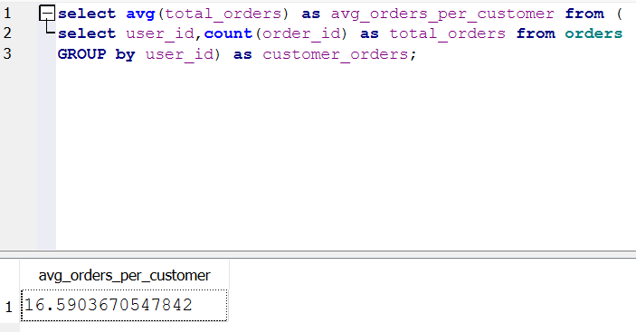

Average Basket Size
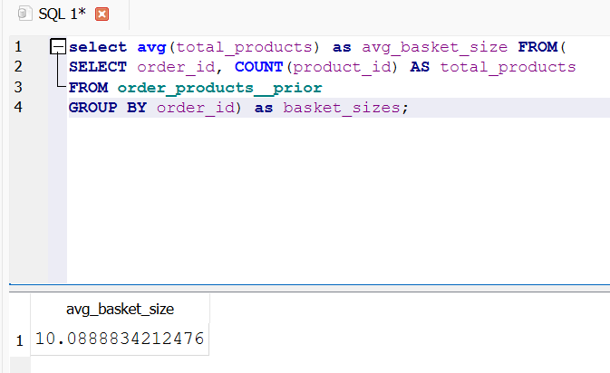

Overall Reorder Rate
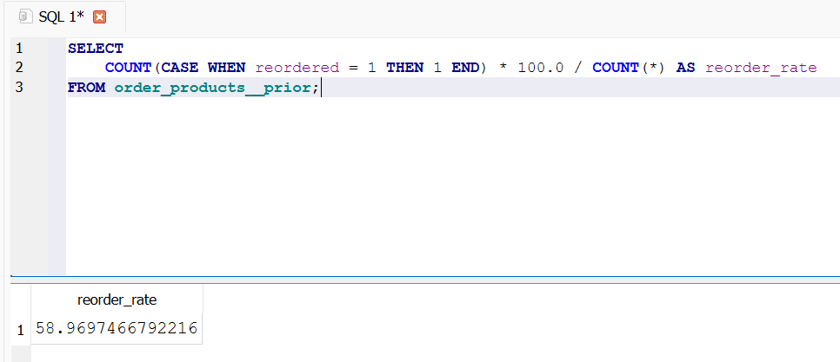

Products frequently purchased together

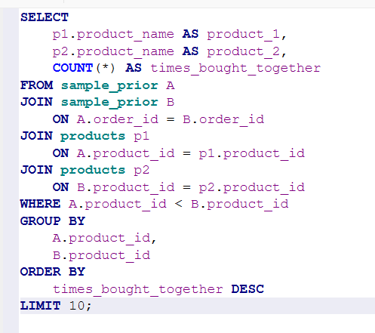
product_1 | product_2 | times_bought_together
Bag of Organic Bananas | Organic Hass Avocado | 1804
Bag of Organic Bananas | Organic Strawberries | 1791
Organic Strawberries | Banana | 1709
Banana | Organic Avocado | 1562
Organic Baby Spinach | Banana | 1529
Bag of Organic Bananas | Organic Baby Spinach | 1507
Banana | Large Lemon | 1211
Bag of Organic Bananas | Organic Raspberries | 1209
Strawberries | Banana | 1207
Organic Strawberries | Organic Hass Avocado | 1164

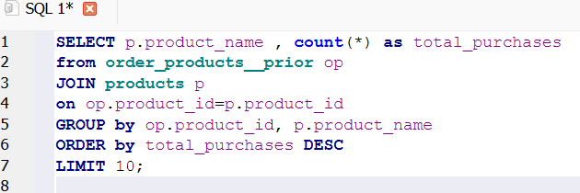
Top 10 Products
 |  |  |  | product_name | total_purchases
 |  |  |  | Banana | 472565
 |  |  |  | Bag of Organic Bananas | 379450
 |  |  |  | Organic Strawberries | 264683
 |  |  |  | Organic Baby Spinach | 241921
 |  |  |  | Organic Hass Avocado | 213584
 |  |  |  | Organic Avocado | 176815
 |  |  |  | Large Lemon | 152657
 |  |  |  | Strawberries | 142951
 |  |  |  | Limes | 140627
 |  |  |  | Organic Whole Milk | 137905

Most Loyal Customers

user_id | total_orders | avg_days_between_orders
46408 | 100 | 0.23232323232
134572 | 100 | 0.29292929293
112044 | 100 | 0.42424242424
54485 | 100 | 0.47474747475
100787 | 100 | 0.54545454545
100982 | 100 | 0.54545454545
191755 | 100 | 0.54545454545
1024 | 100 | 0.66666666667
91263 | 100 | 0.70707070707
172806 | 100 | 0.70707070707

Can we divide our customers into Low-, Medium-, and High-value groups based on their purchasing behavior?

Products with the most loyal customers
 |  |  |  |  |  |  | product_name | reorder_rate
 |  |  |  |  |  |  | Raw Veggie Wrappers | 94.117647059
 |  |  |  |  |  |  | Serenity Ultimate Extrema Overnight Pads | 93.103448276
 |  |  |  |  |  |  | Orange Energy Shots | 92.307692308
 |  |  |  |  |  |  | Chocolate Love Bar | 92.079207921
 |  |  |  |  |  |  | Soy Powder Infant Formula | 91.428571429
 |  |  |  |  |  |  | Simply Sleep Nighttime Sleep Aid | 91.111111111
 |  |  |  |  |  |  | Energy Shot, Grape Flavor | 90.909090909
 |  |  |  |  |  |  | Russian River Valley Reserve Pinot Noir | 90
 |  |  |  |  |  |  | Sparking Water | 90
 |  |  |  |  |  |  | Maca Buttercups | 90

When do customers shop the most ?

 |  |  |  | total_orders | order_hour_of_day
 |  |  |  | 288418 | 10
 |  |  |  | 284728 | 11
 |  |  |  | 283639 | 15
 |  |  |  | 283042 | 14
 |  |  |  | 277999 | 13
 |  |  |  | 272841 | 12
 |  |  |  | 272553 | 16
 |  |  |  | 257812 | 9
 |  |  |  | 228795 | 17
 |  |  |  | 182912 | 18

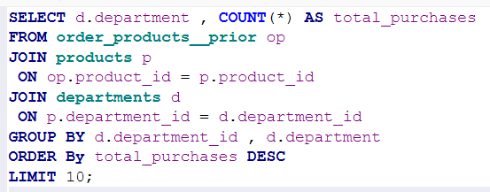
Which product categories drive the most sales?
 |  |  | department | total_purchases
 |  |  | produce | 9479291
 |  |  | dairy eggs | 5414016
 |  |  | snacks | 2887550
 |  |  | beverages | 2690129
 |  |  | frozen | 2236432
 |  |  | pantry | 1875577
 |  |  | bakery | 1176787
 |  |  | canned goods | 1068058
 |  |  | deli | 1051249
 |  |  | dry goods pasta | 866627

Which aisles receive the highest number of purchases?
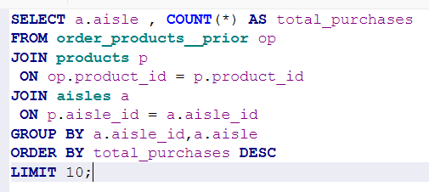
 |  |  |  |  | aisle | total_purchases
 |  |  |  |  | fresh fruits | 3642188
 |  |  |  |  | fresh vegetables | 3418021
 |  |  |  |  | packaged vegetables fruits | 1765313
 |  |  |  |  | yogurt | 1452343
 |  |  |  |  | packaged cheese | 979763
 |  |  |  |  | milk | 891015
 |  |  |  |  | water seltzer sparkling water | 841533
 |  |  |  |  | chips pretzels | 722470
 |  |  |  |  | soy lactosefree | 638253
 |  |  |  |  | bread | 584834

Do customers shop more on weekdays or weekends?

